Sheet1



PIONEER SERVICES

Break -up
Chilled water pipe Insulation

S. # | Description | Material Rate | Wastage 02% | Cons Glue / Tape 10% | Over Head profit 20% | Total Rate | Unit | Qty | Amount
 | Brand: XLPE Aerofoam
 | Aerofoam insulation on chilled water pipe of 40mm thickness:
i | 25mm dia | 2,742 | 55 | 274 | 614 | 3,685 | Rm | 5 | 18,425 | 3542 | 708.4 | 2,324 | 2,742
ii | 32mm dia | 3,771 | 75 | 377 | 845 | 5,068 | Rm | 1 | 5,068 | 4871 | 974.2 | 3,195 | 3,771
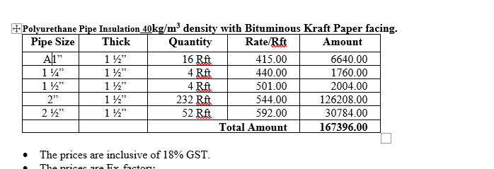
iii | 40mm dia | 4,342 | 87 | 434 | 973 | 5,835 | Rm | 1 | 5,835 | 5609 | 1121.8 | 3,680 | 4,342
iv | 50mm dia | 5,484 | 110 | 548 | 1,228 | 7,371 | Rm | 70 | 515,968 | 7085 | 1417 | 4,648 | 5,484
v | 60mm dia | 6,399 | 128 | 640 | 1,433 | 8,600 | Rm | 15 | 128,995 | 8266 | 1653.2 | 5,422 | 6,399
 | Total Amount Rs |  |  |  |  |  |  |  | 674,291

S. # | Description | Material Rate | Wastage 05% | Cons Glue / Tape 10% | Over Head profit 25% | Total Rate | Unit | Qty | Amount
 | Brand: PU
 | Polyurethane insulation (PU) on chilled water pipe.
i | 25mm dia | 1,837 | 92 | 184 | 528 | 2,640 | Rm | 5 | 13,202 | 560 | 1836.8 | 2,167 | 7,109
ii | 32mm dia | 2,001 | 100 | 200 | 575 | 2,876 | Rm | 1 | 2,876 | 610 | 2000.8 | 2,361 | 7,744
iii | 40mm dia | 2,181 | 109 | 218 | 627 | 3,135 | Rm | 1 | 3,135 | 665 | 2181.2 | 2,574 | 8,442
iv | 50mm dia | 2,263 | 113 | 226 | 651 | 3,253 | Rm | 70 | 227,735 | 690 | 2263.2 | 2,671 | 8,759
v | 60mm dia | 2,575 | 129 | 257 | 740 | 3,701 | Rm | 15 | 55,519 | 785 | 2574.8 | 3,038 | 9,966
 | Total Amount Rs |  |  |  |  |  |  |  | 302,467

Note: Suppliers' quotations attached.

